Sheet1
NOT-FOR-PROFIT
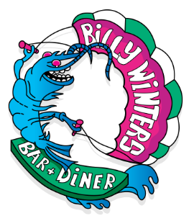 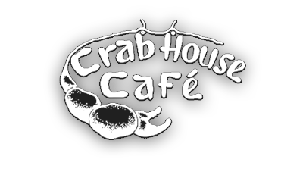
BBQ Charity Takeaway
Pre - Order and Pay ready for collection Saturday 30th May
Collection 4.00pm - 8.30pm
Pre-order only - by 5pm Friday 29th May! Limited availibility orders on a first come first serve basis
Please complete yellow boxes. Save As [YOUR NAME] and email to the volunteer Team: bookings@crabhousecafe.co.uk
Bookings are only complete once you have received confirmation via telephone and payment has been taken. Time slots will be allocated on a first come first serve basis
Please Note: Orders are being dealt with off-site and there will be no one answering Billy Winters Bar and Diner telephone or responding to messages left, and therefore will not be classed as an order.
Ferrybridge Boatyard, Weymouth, Dorset, DT4 9JZ

Name
Telephone
Email address
Preferred Collection Time
*= Main food served with Baked Sweet Potato & Dressed Mixed Leaves

FOOD | Price each | Qty | Total
*BEEF BRISKET df/gf | £15.00 | 0 | £0.00

*SMOKEY BBQ PORK df/gf | £12.50 | 0 | £0.00

*XXL TURKEY DRUMSTICKS df/gf | £12.50 | 0 | £0.00

*TANDOORI MACKEREL (whole) gf | £12.50 | 0 | £0.00

VEGGIE FURTER AND GIANT SMOKED ONION STUFFED WITH BBQ BEANS (V/Ve/df/gf) | £10.50 | 0 | £0.00
SIDE
BILLY'S COLESLAW df/gf | £3.00 | 0 | £0.00

HERB BUTTERED CORN ON THE COB gf | £3.00 | 0 | £0.00

MAC & CHEESE PIE (V) | £4.50 | 0 | £0.00

DESSERT
CHOCOLATE BROWNIE gf | £3.50 | 0 | £0.00

SOFT DRINKS
STILL WATER 500ML | £2.00 | 0 | £0.00

SPARKLING WATER 500ML | £2.00 | 0 | £0.00

SIMPLY FRUITY | £1.50 | 0 | £0.00

(V) = Vegetarian, (Ve) = Vegan, GF = Gluten Free, DF = Dairy Free ALL PRICES INCLUDE A VOLUNTARY CHARITY DONATION THAT REPRESENTS 75% OF THE TOTAL COST | TOTAL |  | £0.00

Dietary Requirements & Allergens

